machine_cost
machine | processing cost
1 | 350
2 | 400
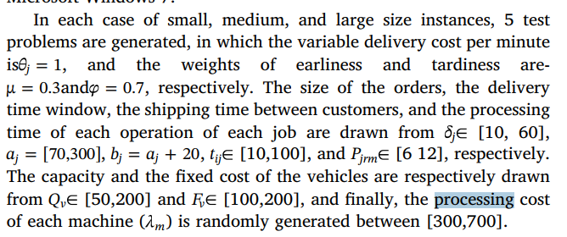
3 | 375
4 | 410
5 | 385
6 | 310
7 | 440
8 | 320
9 | 410

vehicle_cost
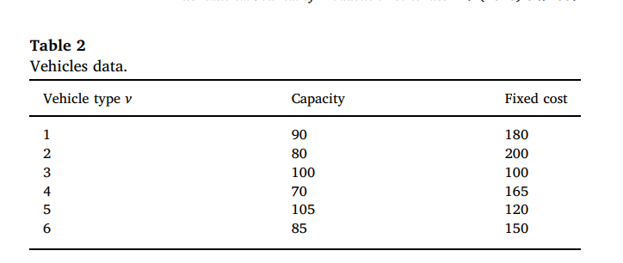
vehicle v | fixed_cost | variable_cost
1 | 180 | 1
2 | 200 | 1
3 | 100 | 1
4 | 165 | 1
5 | 120 | 1
6 | 150 | 1
7 | 190 | 1
8 | 210 | 1
9 | 120 | 1
10 | 145 | 1
11 | 155 | 1
12 | 115 | 1

